Indices

 | Iraq Stock Exchange
 | Bulletin No (1)

 | ISX Trading Indices of Sunday 4/1/2026

 | Traded Volume and OTC |  | 374,584,070 |  | Traded Value and OTC |  | 676,728,653 |  | Traders | 726

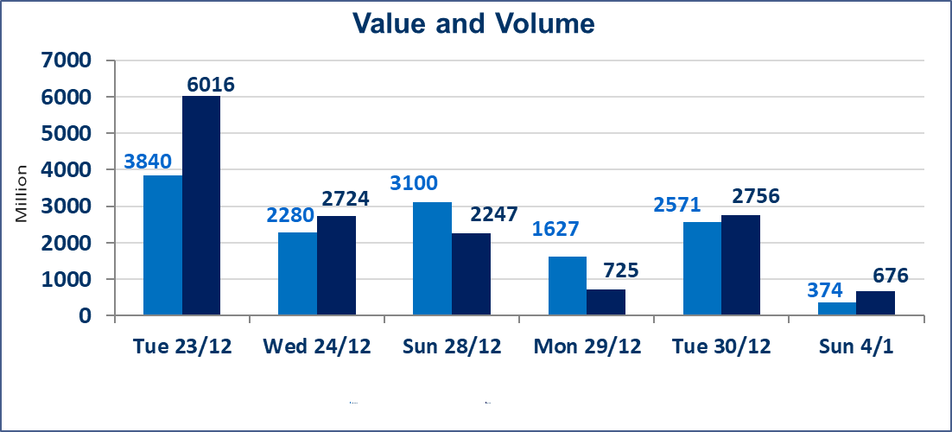
 | ISX Index 60 |  |  | 980.20 | ISX Index 15 |  |  | 1200.82
 | Previous ISX Index60 |  |  | 983.31 | Previous ISX Index15 |  |  | 1194.94
 | Change % |  |  | -0.32 | Change % |  |  | 0.49
 | Change |  |  | -3.11 | Change |  |  | 5.88

 | Listed Companies | 104 | OTC | 14 | Non Traded listed | 46 | OTC | 13
 | Traded Listed Companies | 43 | OTC | 1 | Higher Companies |  |  | 14
 | GAM Companies |  |  | 5 | Lower Companies |  |  | 11
 | Suspended Companies |  |  | 10
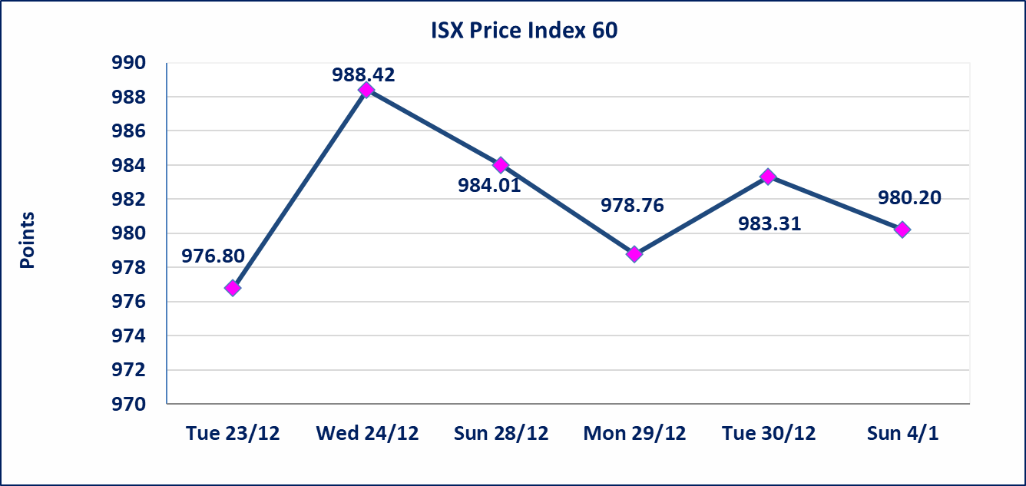
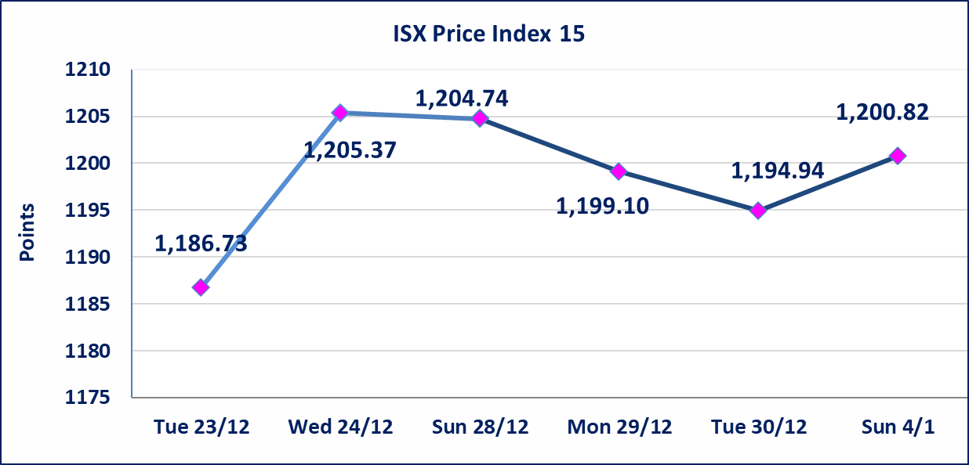

Al-Alwiya P.O . 3607 Mobile: 07711211522 - 07270094594 - 07834000034 E-mail: info-isx@isx-iq.net Web site:www.isx-iq.net

Top 5
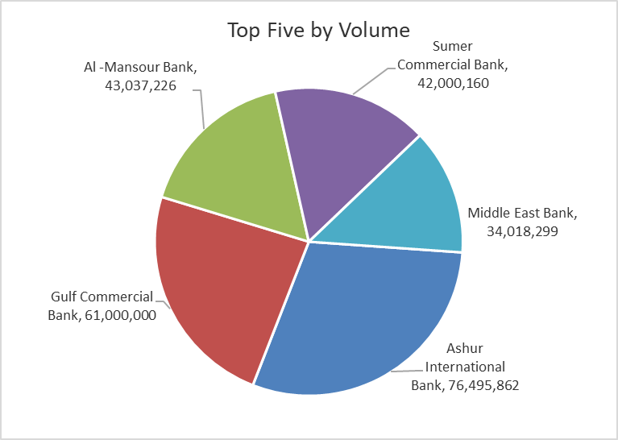
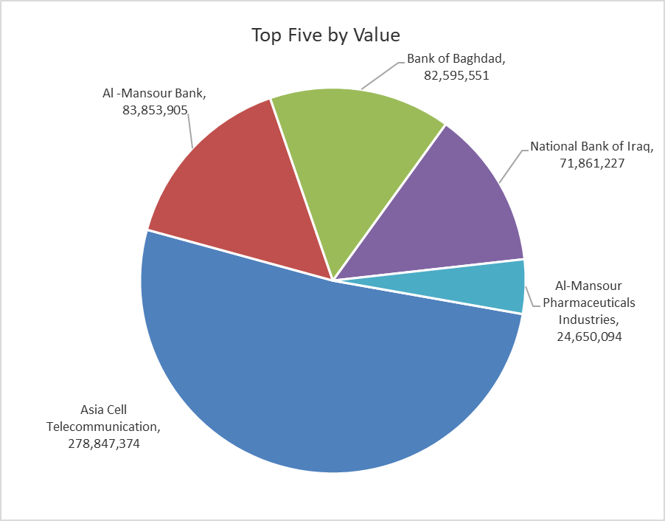
ISX top ganing and losing companies
Sunday 4/1/2026
 | Gainers |  |  |  | Losers
 | Company Name | Closing Price | Change (%) | Traded Volume | Company Name | Closing Price | Change (%) | Traded Volume
 | Al-Khatam Telecom | 3.000 | 9.09 | 34,184 | Babil Animal & Vegetable Production | 7.650 | -15.00 | 444,592
 | Ashur International Bank | 0.320 | 6.67 | 76,495,862 | Investment Bank of Iraq | 0.220 | -8.33 | 1,776,793
 | Sumer Commercial Bank | 0.160 | 6.67 | 42,000,160 | Iraqi Carton Manufactories | 1.800 | -8.16 | 483,570
 | Al-Taif Islamic Bank | 0.750 | 4.17 | 285,237 | Iraqi Islamic Bank | 1.050 | -5.41 | 1,833,963
 | The Light Industries | 1.450 | 2.11 | 8,251,436 | Electronic Industry | 2.180 | -4.80 | 128,698
 | The most active companies in term of traded volume and value

 | Traded Volume |  |  |  | Traded Value
 | Company Name | Closing Price | Change (%) | Traded Volume | Company Name | Closing Price | Change (%) | Traded Value
 | Ashur International Bank | 0.320 | 6.67 | 76,495,862 | Asia Cell Telecommunication | 13.400 | 0.98 | 278,847,374
 | Gulf Commercial Bank | 0.290 | 0.00 | 61,000,000 | Al -Mansour Bank | 1.950 | 0.00 | 83,853,905
 | Al -Mansour Bank | 1.950 | 0.00 | 43,037,226 | Bank of Baghdad | 3.450 | 0.29 | 82,595,551
 | Sumer Commercial Bank | 0.160 | 6.67 | 42,000,160 | National Bank of Iraq | 4.800 | 0.63 | 71,861,227
 | Middle East Bank | 0.060 | 0.00 | 34,018,299 | Al-Mansour Pharmaceuticals Industries | 2.210 | 0.45 | 24,650,094

Non Iraqis

Iraq Stock Exchange
Non Iraqis' Bulletin Sunday Jan 4 2026
Regular Market

Non Iraqi Trading of Regular Market (Buy)
Company Names | Code | No.of trades | Traded Shares | Trading Volume
Banks Sector
Iraqi Islamic Bank | BIIB | 4 | 100,000 | 110,000
Gulf Commercial Bank | BGUC | 2 | 31,000,000 | 8,990,000
Total Bank sector |  | 6 | 31,100,000 | 9,100,000
Services Sector
Kharkh Tour Amuzement City | SKTA | 1 | 40,000 | 170,000
AL-Nukhba for Construction | SNUC | 1 | 125,000 | 93,750
Total Services sector |  | 2 | 165,000 | 263,750
Agricultural Sector
Iraqi for Seed Production | AISP | 1 | 10,000 | 51,800
Total Agricultural Sector |  | 1 | 10,000 | 51,800
Telecommunication Sector
Asia cell | TASC | 1 | 95,000 | 1,260,650
Total Telecommunication sector |  | 1 | 95,000 | 1,260,650
Grand Total |  | 10 | 31,370,000 | 10,676,200

